1. Title Page
Instacart Grocery Basket Analysis
November 14, 2024
Zach Ungerman

Contents:
Population Flow
Consistency checks
Wrangling steps
Column derivations
Visualizations
Recommendations

2. Population Flow
Title page
Population flow

Exclusion flag
Condition: max_order <
Obervations to be removed:
Final total count of order_products_all:

orders_products_merged_aggregated_small
merged_c_data_small
Orders_products_combined
Orders_products_merged

Total: 32404859
Total: 32434489
Total: 32404859
Total: 32404859

1.) The grey boxes in the first row of the population flow represent the original data sets as they were when you downloaded them. In the Total fields you need to add the count of the rows when you imported the data set into Jupyter.
2.) The second row of boxes (coloured) represents the data sets after you manipulated them, e.g., removed missing values and duplicates. In the Total fields you need to add the count of the rows after conducting these operations. This offers a visual oveview of how the data flows throughout the data consistency checks.
3.) The third row, where also the arrows are coloured, represents the merges you performed between the datasets. In the Total fields you need to add the count of the rows in the merged datasets, so that you end up with the final dataset (in the red box). Keep in mind the final dataset should be without exclusions (based on the exclusion flag).

3. Consistency checks
 |  |  |  | Title page
Consistency checks

Dataset | Missing values | Missing values treatment | Duplicates
orders | “days_since_prior_order” (206209) | Did nothing | No Duplicates
products | “product_name” (16) | Removed values | 5 Duplicates found and dropped
orders_products_prior | None | N/A | None
customers | "first_name" (11,259) | Did nothing | None

4. Wrangling steps
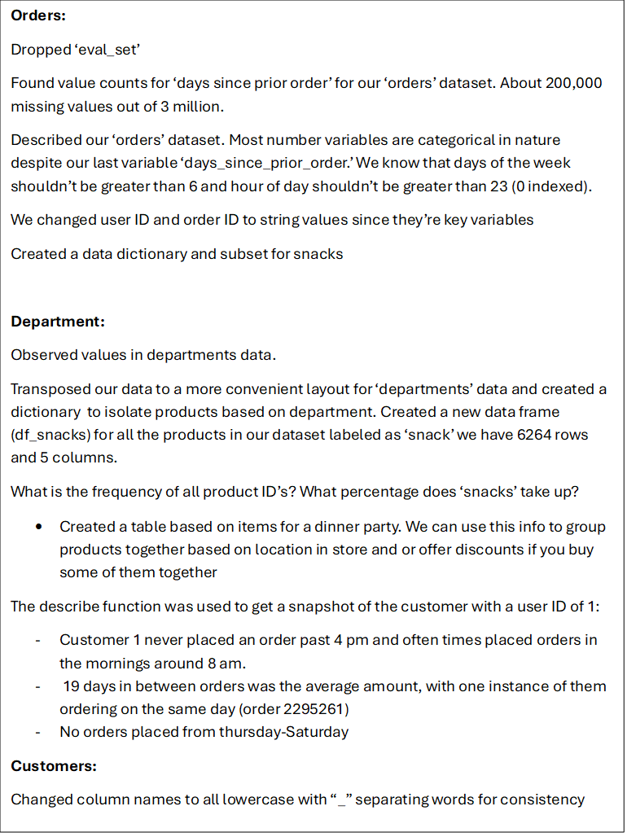
 |  |  |  |  | Title page

Wrangling steps

Data Set | Columns dropped | Columns renamed | Columns' type changed | Comment/Reason
orders | eval_set' | N/A | user ID and order ID changed to str | Because they are categorical in nature and key variables
customers |  | changed all columns in customers to lowercase with "_" |  | Consistency

5. Column derivations
 |  |  |  | Title page

Column derivations and aggregations

Dataset | New column | Column/s it was derived from | Conditions
“busiest_day” | Ords_prods_merge | Order_dow | 0 (SAT) = Busiest day, 4 (WED) = Least Busy, Else = Regularly Busy
“busiest_days” | Ords_prods_merge | Order_dow | 0 or 1 = busiest days, 4 or 3 = slowest days, Else = regularly busy
“hours_ranked” | Ords_prods_merge | Orders_hour_of_day | 0:8 : Most orders, 8:16: Average Orders, Else: Fewest Orders
“max_order” | Ords_prods_merged_derived_small | User_id, order_number | Dataset grouped by user_id and max order number aggregated
“loyalty_flag” | Ords_prods_merged_derived_small | Max_order | Max_order > 40: Loyal Customer, Max_order <= 40 & > 10: Regular Customer, Max_order: <=10
“avg_spent” | Ords_prods_merged_derived_small | User_id, prices | Grouped by user_id and mean of prices found
“spending_flag” | Ords_prods_merged_derived_small | “avg_spent” | Avg_spent < 10: Low Spender, Avg_spent => 10: High Spender
“med_days_since_order” | Ords_prods_merged_derived_small | User_id, days_since_prior_order | Grouped by user ID and median “days since prior order” derived
“frequency_flag” | Ords_prods_merged_derived_small | “med_days_since_order” | >20: Non-Frequent>10, <20: Regular Customer, <=10: Frequent Customer
“parent” | Merged_df | Number_dependents | Number_dependent>0
“single_adult” | Merged_df | Number_dependents | Number_dependents== 0
“High_income” | Merged_df | income | Income > 96000
“high_spender” | Merged_df | “avg_spent” | >merged_df(‘avg_spent’).mean
“popular_day” | Merged_df | “order_dow” | order_dow = day [0,1,6]
“popular_hour” | Merged_df | “order_hour_of_day” | Order_hour_of_day is between hour 0 and 16
“irregular_customer” | Merged_df | Order_dow and order_hour_of_day | Irregular customer is not equal to popular hour or popular day
“youth” | Merged_df | age | Age <= 25
“middle_aged” | Merged_df | age | Age > 25 and <=60
“elderly” | Merged_df | age | Age => 61

6. Visualizations
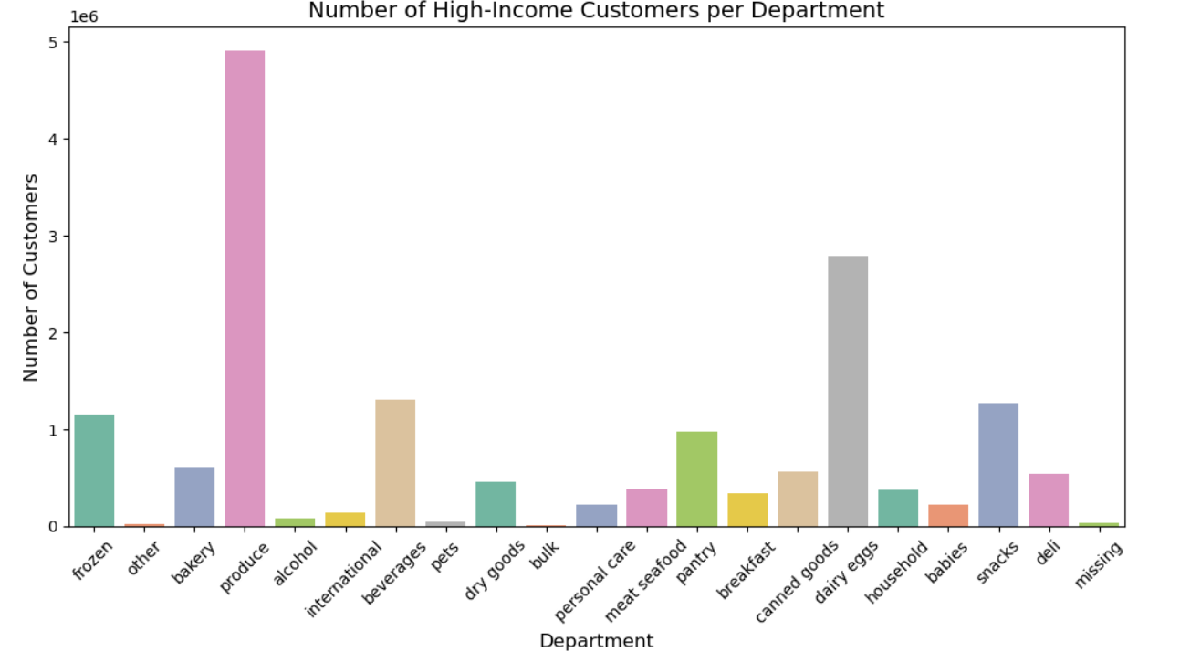
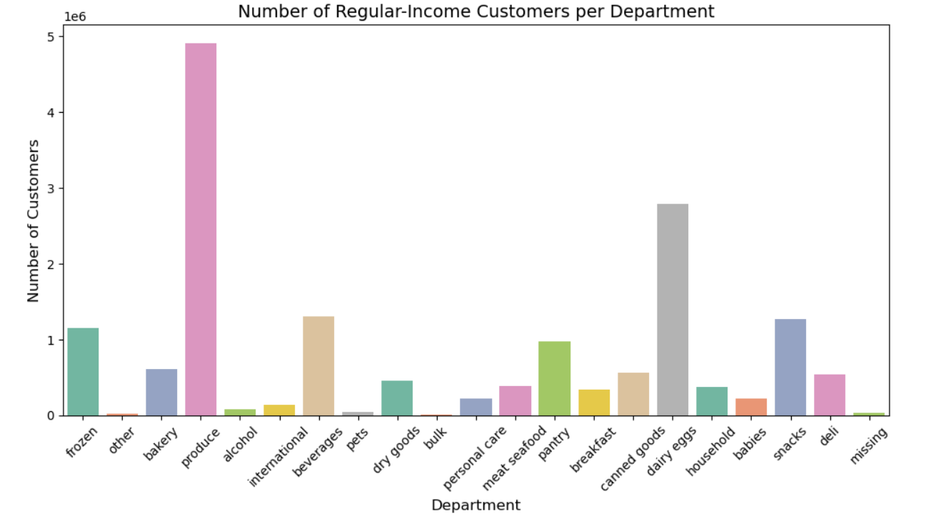
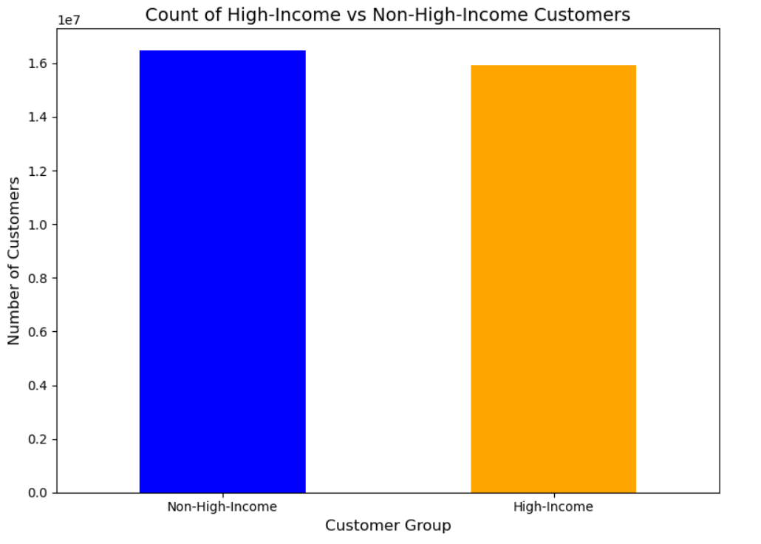
 | Title page

Visualisations

Popular day of week and popular hour based on amount of orders




Average prices based on day of week and hour

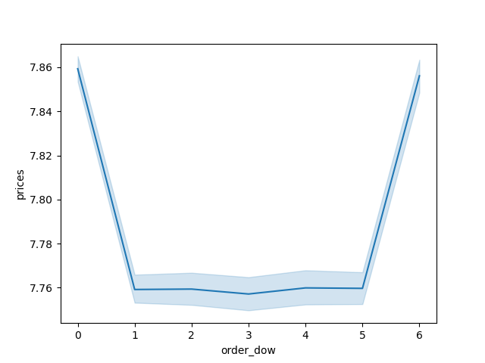
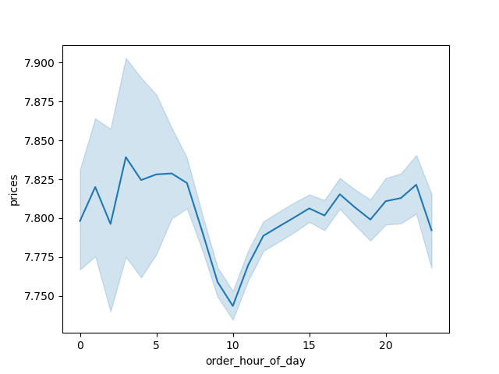

Average loyalty of customers compared

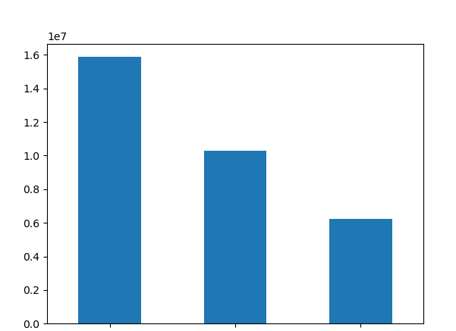

From left to right we have "regular", "loyal" and "new" customers

Age is graphed with income and number of dependents to find any patterns


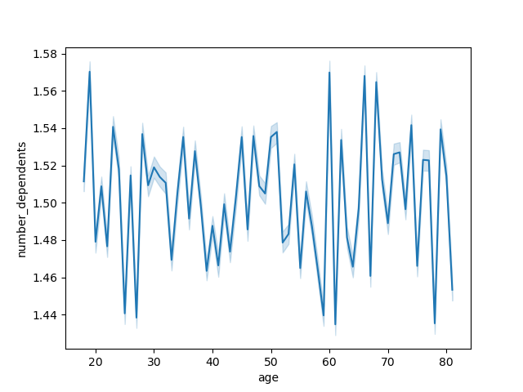

Regions are graphed with types of spenders and popular departments to find any patterns

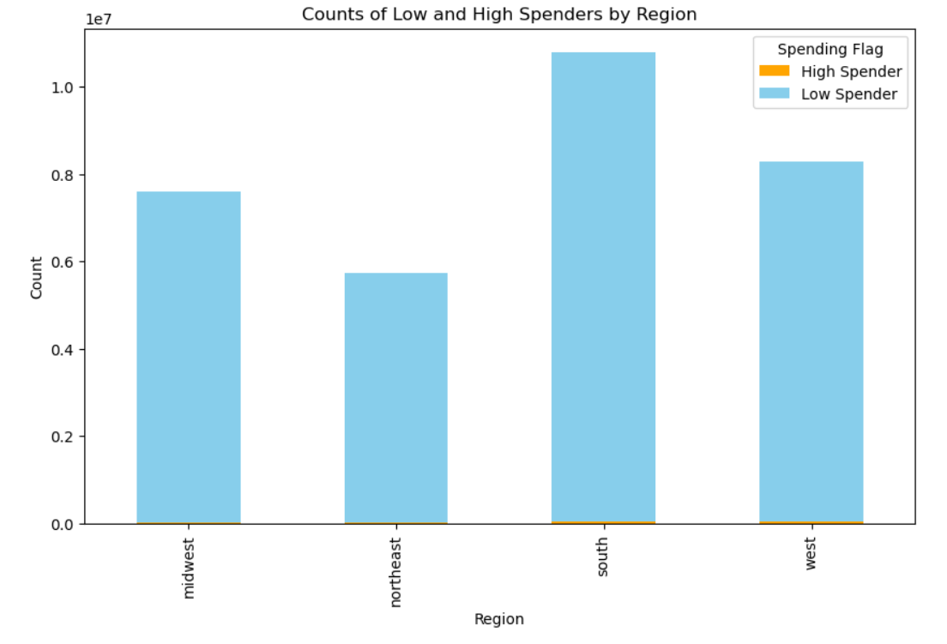

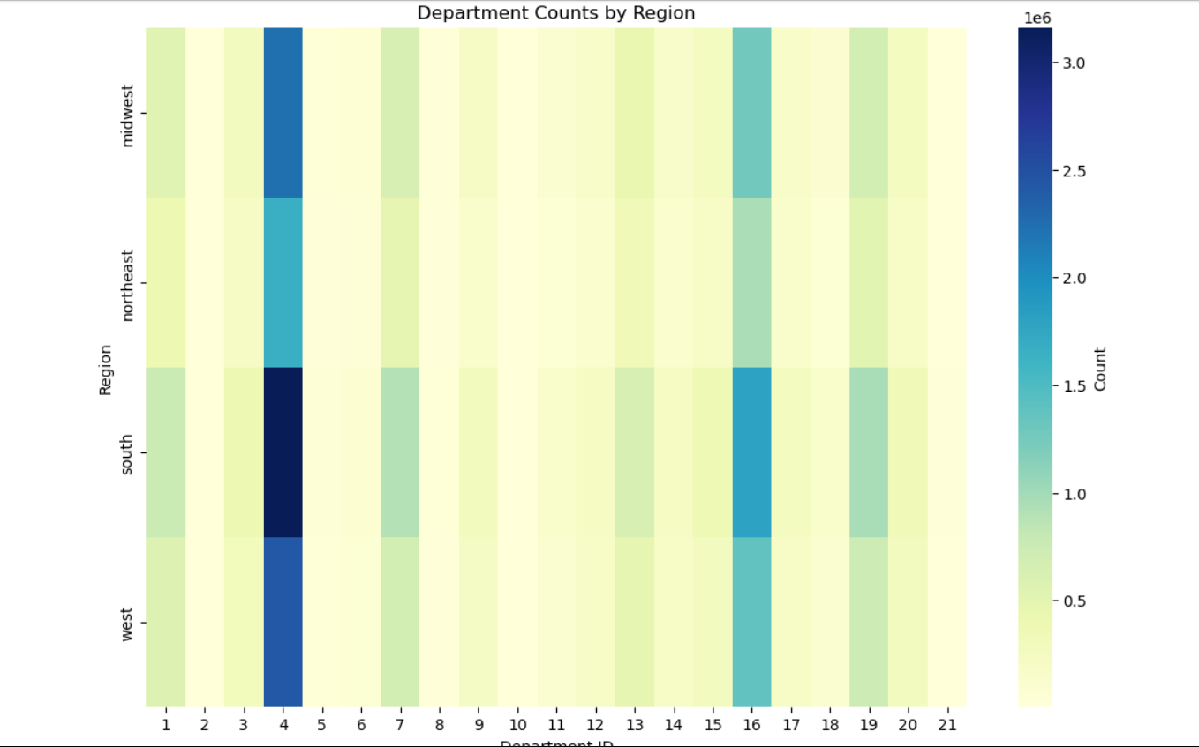

Pie chart is created to show the difference in demographics when it comes to purchasing baby supplies

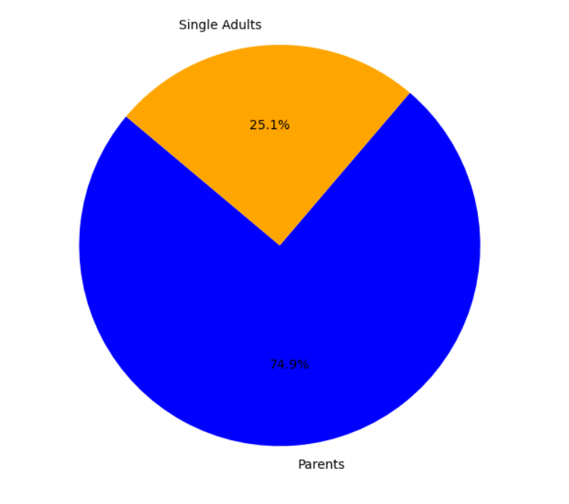

f

Income is graphed with department to find any patterns. High-income is also graphed against non-high income to show the salary demographics of our customers.

7. Recommendations
Title page

Recommendations

